Map Mauritius
Choropleth Map of Mauritius

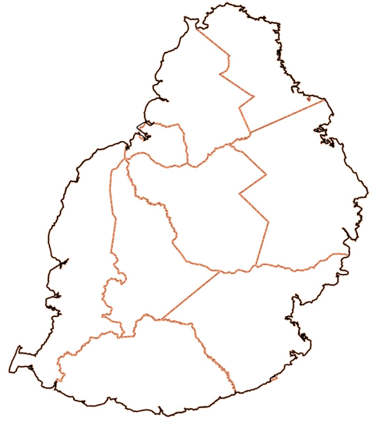
gra
Pamplemousses
Riviere du Rempart
Flacq
Grand Port
Savanne
Black River
Port
Louis
Plaines Wilhems
Moka
 |  | Area
 | Pamplemousses | 179.7
 | Riviere du Rempart | 146.8
 | Flacq | 297.5
 | Grand Port | 260.6
 | Savanne | 246.9
 | Black River | 254.6
 | Port Louis | 39.7
 | Moka | 234.3
 | Plaines Wilhems | 197.6

