Cover Sheet
MULTI-CRITERIA ANALYSIS (MCA) TOOL
The MCA Tool has been customized for training purposes under the UNEP-GEF NAMA Project implemented by the Ministry of Environment, Solid Waste Division and Climate Change.
It is for pedagogical purposes only and the technological options are illustrative . The MCA Tool is accompanied by three Technology Fact Sheets (TFS) that have been developed for the sole purpose of the training that will take place on 7 July 2021. The Tool uses the 'linear additive' methodology that is sufficient for ranking of multiple climate mitigation technologies.
For the purpose of this exercise, the three technology options are from different emitting sectors, namely energy industries, land transport and solid waste management. Typically, prioritization of technologies will first be carried out within a sector. So this Tool is customized only to demonstrate the mechanics of MCA for ranking of technological options.
The functionalities of the Tool are:
1. Illustrating the use and combination of objective and subjective indicators;
2. MIN-MAX normalization of objective indicators;
3. Scoring of subjective indicators using reverse scales;
4. Allocation of weights for ranking technologies;
5. Sensitivity analyses on scores and weights.
Scoring is done with the help of TFS and participants expert knowledge. The allocation of weights is done through consensual decision-making. Sensitivity analyses allows for the different views of stakeholders to be explored.

Author
Prakash (Sanju) Deenapanray
Director, ELIA - Ecological Living In Action Ltd
(2 July 2021)

TFS-WasteEnergy
Technology: | Waste-to-energy (anaerobic digestion)
Technology characteristics |  | Definitions
Introduction | The process of anaerobic digestion is decomposition of biodegradable material by micro-organisms in the absence of oxygen. This process is often used for industrial or domestic purposes to manage waste streams. As a result, the process produces a biogas, consisting mainly of CH4 and CO2, which can be used for energy production in a Combined Heat and Power plant. Second, the process results in a nutrient-rich digestate which is similar to compost. | Biodegradable
 |  | Combined Heat and Power plant
 | The compaction and burial of trash at landfill facilities creates an anaerobic environment for decomposition. As a result, landfills naturally produce large amounts of methane. Gas emitted from the landfill facilities is typically called landfill gas, as opposed to biogas. The primary difference between the two is the lower methane content of landfill gas relative to biogas – approximately 45-60 percent compared to 55-70 percent.
Technology characteristics/highlights | There are two basic types of anaerobic digesters: batch and continuous. Batch-type digesters are the simplest to build. Their operation consists of loading the digester with organic materials and allowing it to digest. The retention time depends on temperature and other factors. Once the digestion is complete, the effluent is removed and the process is repeated. In a continuous digester, organic material is constantly or regularly fed into the digester. The material moves through the digester either mechanically or by the force of the new feed pushing out digested material. Unlike batch-type digesters, continuous digesters produce biogas without the interruption of loading material and unloading effluent. They may be better suited for large-scale operations. Proper design, operation, and maintenance of continuous digesters produce a steady and predictable supply of usable biogas.
Country specific applicability and potential | Given the scarce land resource in the country and to use land for landfill purposes is constraining. The landfill at Mare Chicose has a cell (Cell 7) operating since 2014 and continued high levels of landfilling - ~95% of solid waste generated – is not viable [Purmessur and Surroop, 2019]. Some 537,147 tonnes of solid waste were generated in 2019 [presentation of Solid Waste Division at Assisses de l’environnement, Dec 2020]. Given the social unacceptability of waste incineration in Mauritius [Neehaul, Jeetah and Deenapanray, 2020], alternative waste treatment technologies that can provide multiple benefits are necessary. The proposed technology will greatly reduce or eliminate the risks with the landfills. Recycling and composting have been identified as other opportunities of this technology.
Status of technology in country | The large-scale use of the technology is not presently available in Mauritius. For the purpose of this exercise, we are assuming that feasibility studies, including resource assessment [Neehaul, Jeetah and Deenapanray, 2020), have been carried out. It has determined that there is opportunity for this technology based on anaerobic digestors.
Benefits to economic / social and environmental development | Contribution of the technology to social development :
 | The technology can also be applied to the agriculture sector. This sector is often an important part of the economy of developing nations, producing a considerable part of the GDP and employing a vast number of people. Projects using anaerobic digestion technology improve the viability of these farmers by producing energy and compost. The technology is therefore capable of strengthening the backbone of the economy and subsequently improves social development.

 | The current waste stabilization technique most often used at pig farms is the open anaerobic lagoon. Next to emitting methane directly into the atmosphere, this technique has several disadvantages that would be solved by the introduction of a anaerobic digester facility. The workplace at an open lagoon system is unhealthy and unpleasant to work at. This impacts on and a strong odor is produced by the open lagoon. The implementation of an anaerobic digester facility makes the workplace safer and healthier. Local air quality is significantly improved, as outlined in the environmental protection section, and the strong odor is considerably reduced.

 | Contribution of the technology to economic development (including energy market support):
 | Several economic development benefits are associated with this technology. These benefits mostly arise from the energy production of the technology.
 | National energy self-sufficiency is increased due to the local energy production. This can be a major benefit in countries which are highly dependent on fossil fuel imports for their energy. Reducing the dependence on foreign energy sources leads to an improved economic balance sheet of the country and a higher level of energy security.
 | In some countries, the locally generated energy might provide a more reliable supply of energy than the energy supplied by the national grid. Moreover, when the technology is applied at many locations, the combined energy production might reduce the need to build new power plants at a national level and therefore preserve national resources.

 | Reduction of landfill requirements. Biological treatment of waste, such as composting and anaerobic digestion reduces volume of waste and therefore the lowers landfill requirements. Recycling of the residual solids as fertilizer further reduces waste volume.
Climate change mitigation benefits | There are two sources of emissions reductions accruing from this technology. The first is avoided methane production at landfill due to anaerobic decay, and the second is avoided emissions resulting from the displacement of thermal generation of electricity using HFO.

 | For the purpose of this exercise, it is assumed that 500 tonnes of waste is anaerobically digested each day. Using the calculations given in Neehaul, Jeetah and Deenapanray (2020), we have the following:
 | · Avoided methane at landfill: 155,000 tCO2e / year
 | · Avoided CO2 emissions from substitution of HFO in electricity generated: 15,600 tCO2e / year
Financial Requirements and Costs | The net-cost of anaerobic digesters and the production of biogas depend on a number of factors, including the following:
 | the methane production potential of the feedstock used;
 | digester type;
 | volume of waste and intended hydraulic retention time;
 | the amount of waste available as a feedstock;
 | the capital and operating costs of the digester type needed for a particular application;
 | the intended use of the biogas produced; and
 | the value of the fertilizer produced as a by-product of digestion.

 | For the purpose of this exercise, please use the information given below (Neehaul, Jeetah and Deenapanray, 2020):

 | 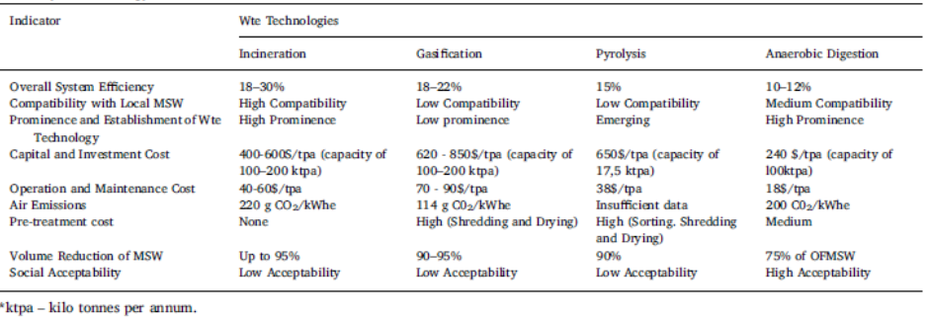
Advantages/Disadvantages | Advantages
 | Reduction of greenhouse gas emissions through methane recovery
 | Generation of biogas and fertiliser (almost complete retention of the fertiliser nutrients (N, P and K)
 | Combined treatment of different organic waste and wastewaters
 | Reduction of solids to be handled (e.g. less excess sludge)
 | Good pathogen removal depending on temperature
 | Process stability (high-loads can be treated but anaerobic sludge can also be preserved for prolonged periods without any feeding)
 | Disadvantages
 | Small- and middle-scale anaerobic technology for the treatment of solid waste in middle- and low-income countries is still relatively new
 | Experts are required for the design and construction, depending on scale may also for operation and maintenance
 | Reuse of produced energy (e.g. transformation into, fire/light, heat and power) needs to be established
 | High sensitivity of methanogenic bacteria to a large number of chemical compounds
 | Sulphurous compounds can lead to odour

